1. Title Page
[Instacart Grocery Basket Analysis]

Project Name: Instacart Grocery Basket Analysis
Date: 10.26.22
Analyst Name: Annah Mendrin

Contents:
Population Flow
Consistency checks
Wrangling steps
Column derivations
Visualizations
Recommendations

2. Population Flow
Title page

Population flow

Exclusion flag
Condition: max_order < 5
Obervations to be removed: 1,469,925
Final total count of order_products_all: 32,404,859

Orders_products_combined
Orders_products_merged
Orders_products_all

Total: 32,404,859
Total: 32,434,489
Total: 30,964,564

1.) The grey boxes in the first row of the population flow represent the original data sets as they were when you downloaded them. In the Total fields you need to add the count of the rows when you imported the data set into Jupyter.
2.) The second row of boxes (coloured) represents the data sets after you manipulated them, e.g., removed missing values and duplicates. In the Total fields you need to add the count of the rows after conducting these operations. This offers a visual oveview of how the data flows throughout the data consistency checks.
3.) The third row, where also the arrows are coloured, represents the merges you performed between the datasets. In the Total fields you need to add the count of the rows in the merged datasets, so that you end up with the final dataset (in the red box). Keep in mind the final dataset should be without exclusions (based on the exclusion flag).

3. Consistency checks
 |  |  |  | Title page
Consistency checks

Dataset | Missing values | Missing values treatment | Duplicates
orders | days_since_prior_order- 206209 | Created a new column indicating whether the customer was new, or a returning customer | 0
products | product name- 16 | Filtered out missing products | 5, removed
orders_products_prior | 0 |  | 0
customers | first_name- 11259 | were considered mixed type data, and when changed them to string value they no longer had any missing values | 0

4. Wrangling steps
 |  |  |  |  | Title page
Wrangling steps

Dataset | Columns dropped | Columns renamed | Columns' type changed | Comment/Reason
orders | eval_set |  |  | contains system information that acts as a label for the entire data set (prior) indicating that this was prior data set released by Instacart, irrelevant for us.
 |  | order_dow |  | orders_dow --> orders_day_of_the_week for clarity
orders_products_combined |  |  | order_id | changed data type from a number to string, because it doesn't represent a numerical value, but refers to specific order
 |  |  | .user_id | changed data type from a number to string, because it doesn't represent a numerical value, but refers to specific users
customers |  | STATE |  | STATE--> state
 |  | First Name |  | First Name--> first_name
 |  | Surnam |  | Surnam--> last_name
 |  | n_dependants |  | n_dependants--> number_of_dependants
 |  | fam_status |  | fam_status-->family_status
 |  | Gender |  | Gender-->gender
 |  | Age |  | Age-->age
orders_products_merged | busiest_day |  |  | instead of focusing on the top busiest and least busiest day, we looked at the 2 top busiest days and least busy days
orders_products_all_2 | first_name |  |  | contains personal information about customer
 | last_name |  |  | contains personal information about customer
full_instacart_data | _merge
 | Unnamed:0
 |  |  | order_id | reduced to int32
 |  |  | user_id | reduced to int32
 |  |  | order_number | reduced to int8
 |  |  | orders_day_of_the_week | reduced to int8
 |  |  | order_hour_of_day | reduced to int8
 |  |  | product_id | reduced to int32
 |  |  | add_to_cart_order | reduced to int16
 |  |  | reordered | reduced to int8
 |  |  | aisle_id | reduced to int16
 |  |  | department_id | reduced to int8
 |  |  | max_order | reduced to int8
 |  |  | age | reduced to int8
 |  |  | number_of_dependants | reduced to int8
 |  |  | income | reduced to int32

5. Column derivations
 |  |  |  | Title page

Column derivations and aggregations

In this tab you should add tables below that the frequences of flags/label variables that you produced after deriving them. NB: don't do this for continuous variables, only for flags.
Dataset | New column | Column/s it was derived from | Conditions
orders_products_merged.pkl | price_range_loc | prices | if [value]<=5, 'low-range product'
 |  |  | if [value]>5 & [value]<=15, 'mid-range product'
 |  |  | if [value]>15, 'high-range product'
 | busiest_day | orders_day_of_the_week | if [value] in [0], 'busiest day'
 |  |  | if [value] in [4]. 'least busy'
 |  |  | else, 'regularly busy'
 | busiest_days | orders_day_of_the_week | if [value] in [0,1], 'busiest_days
 |  |  | if [value] in [3,4], 'slowest_days'
 |  |  | else, 'regular_days'
 | max_order | order_number | take the average order_number and order them by user_id
 | busiest_period_of_day | order_hour_of_day | if [value] in [10,11,14,15,13], 'most orders'
 |  |  | if [value] in [3,4,2,5,1], 'fewest orders'
 |  |  | else, 'average orders'
 | loyalty_flag | order_number--> max_order | if [max_order]>40, 'loyal customer'
 |  |  | if [max_order]<=40 & [max_order]>10, 'regular customer'
 |  |  | if [max_order]<=10, 'new customer'
 | average_price | prices | take the average of product prices and order them by user_id
 | spending_flag | prices-->average_price | if [average_price]<10, 'low spender'
 |  |  | if [average_price]>=10, 'high spender'
 | median_order_frequency | days_since_prior_order | take the median days since prior order, and order them by user_id
 | order_frequency_flag | days_since_prior_order--> median_order_frequency | if [median_order_frequency]>20, non-frequent customer
 |  |  | if [median_order_frequency]>10 & [median_order_frequency]<= 20, 'regular customer'
 |  |  | if [median_order_frequency]<= 10, 'frequent customer'
full_instacart_data | region | state | northeast=['Maine','New Hampshire','Vermont','Massachusetts','Rhode Island','Connecticut','New York','Pennsylvania','New Jersey']
 |  |  | midwest=['Wisconsin','Michigan','Illinois','Indiana','Ohio','North Dakota','South Dakota','Nebraska','Kansas','Minnesota','Iowa','Missouri']
 |  |  | south=['Delaware','Maryland','District of Columbia','Virginia','West Virginia','North Carolina','South Carolina','Georgia','Florida','Kentucky', 'Tennessee','Mississippi','Alabama','Oklahoma','Texas','Arkansas','Louisiana']
 |  |  | west=['Idaho','Montana','Wyoming','Nevada','Utah','Colorado','Arizona','New Mexico','Alaska','Washington','Oregon','California','Hawaii']
 | activity | max_order | if [max_order]<5, 'low activity'
 |  |  | if[max_order]>=5, 'active'
 | age_group | age | if[value]<=25, 'Young Adult'
 |  |  | if[value]>25 & <65, 'Adult'
 |  |  | if[value]>=65, 'Senior'
 | parental_age | age & number_of_dependants | if[age]<25 & [n_of_dep]>=1, 'Young Parent'
 |  |  | if[age]>=25 & [n_of_dep]>=1, 'Average-Aged Parent'
 |  |  | if[age]>=35 & [n_of_dep]>=1, 'Older Parent'
 | single parent | familyt status & number of dependants | if[fam_stat]=single, divorced/widowed, living with parents and siblings & [n_of_dep]>=1, single parent
 |  |  | if[fam_stat]=married & [n_of_dep]>=1, nuclear family
 | relationship_age | age group & family_status | if[age_group]=Adult & [family_stat]= divorced/widowed, single, or living with parents, single adult
 |  |  | if[age_group]=Adult & [family_stat]= married, married adult
 |  |  | if[age_group]=Senior & [family_stat]= divorced/widowed, single, or living with parents, single senior
 |  |  | if[age_group]=senior & [family_stat]= married, married senior
 |  |  | if[age_group]=Young Adult & [family_stat]= divorced/widowed, single, or living with parents, single young adult
 |  |  | if[age_group]=Young Adult & [family_stat]= married, married young adult
 | economic group | income | if[income]<=52000, 'lower class'
 |  |  | if[income]>52000 or <=156000, 'middle class'
 |  |  | if[income]>156000, 'upper class'
 | organic_profile | product name | if the string contains 'Organic', 'organic'
 |  |  | else, NaN (Non-Organic)
 | alcohol_status | department | if department contains 'alcohol', '1' = bought alcohol
 |  |  | else, '0'= didn’t buy alcohol
 | baby_status | department | if department contains 'babiesl', '1' = bought baby products
 |  |  | else, '0'= didn’t buy baby products
 | pet_status | department | if department contains 'pet', '1' = bought pet products
 |  |  | else, '0'= didn’t buy pet products

Dataset | Column | Value/s | Frequency
orders_products_merged.pkl | price_range_loc | mid-range product | 756450
 |  | low-range product | 243550
 |  | high-range product | 0
 | busiest_day | regularly-busy | 22416875
 |  | busiest day | 6204182
 |  | least busy | 3783802
 | busiest_days | regular days | 12916111
 |  | busiest days | 11864412
 |  | slowest days | 7624336
 | busiest_period_of_day | average orders | 18517166
 |  | most orders | 13510134
 |  | fewest orders | 377559
 | loyalty_flag | regular customer | 15876776
 |  | loyal customer | 10284093
 |  | new customer | 6243990
 | spending_flag | low spender | 31770614
 |  | high spender | 634245
 | order_frequency_flag | frequent customer | 21559853
 |  | regular customer | 7208564
 |  | non-frequent customer | 3636437
 |  | NaN | 5
 | region | south | 10791885
 |  | west | 8292913
 |  | midwest | 7597325
 |  | north east | 5722736
 | age_group | adult | 18904502
 |  | senior | 8195544
 |  | young adult | 3864518
 | parental_age | older parent | 17046146
 |  | average-aged parent | 3589053
 |  | yount parent | 2589684
 | single parent | nuclear family | 21743711
 |  | single parent | 1481172
 | relationship_age_status | married adult | 14140006
 |  | married senior | 6173586
 |  | single adult | 4764496
 |  | single young adult | 2434399
 |  | single senior | 2021958
 |  | marriend young adult | 1430119
 | economic group | middle class | 24490104
 |  | lower class | 3632814
 |  | upper class | 2841646
 | organic_profile | organic | 9868147
 |  | non-organic | 21096417
 | alcohol_status | didn’t buy alcohol (0) | 28634074
 |  | bought alcohol (1) | 2330490
 | baby_status | didn’t buy baby products (0) | 21154311
 |  | bought baby products (1) | 9810253
 | pet_status | didn’t buy pet products (0) | 21154311
 |  | bought pet products (1) | 9810253

6. Visualizations
 |  |  |  |  |  | Title page

Visualisations and Recommendations

In this tab you should include all the visualtions from Exercises 4.9 and 4.10, alongside the questions from the project brief that they answer. Include any commentary on the relationship between different variables.
In this tab you should include any recommendations you would made to Instcart in terms of their marketing strategy based on the questions posed in the brief. Every key question has been covered in the Tasks of the Exercises - here you need to add an item - a visualisation or table/crosstable that is showing the answer in the data, acompanied by a comment from you. Please, list the questions below and add the answer underneath.

KEY QUESTIONS

Q1. The sales team needs to know what the busiest days of the week and hours of the day are (i.e., the days and times with the most orders) in order to schedule ads at times when there are fewer orders.
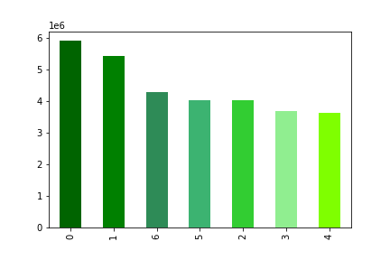
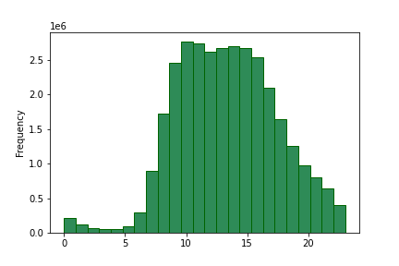

 |  | Key:
 |  | 0-Saturday
 |  | 1-Sunday
 |  | 2-Monday
 |  | 3-Tuesday
 |  | 4-Wednesday
 |  | 5-Thursday
 |  | 6-Friday

 | This bar graph represent the busiest orders of the week based on the number of orders placed each day. The most orders are placed on Saturday, Sunday and Friday. |  |  | This histogram represents the number of orders placed throughout the day. The most orders occur from 11am to 5pm.

 | Recommendations: To bring in more customers during slow periods of the day ads should be scheduled late in the evening , after 8pm, and in the early morning, 3-5am.

Q2. They also want to know whether there are particular times of the day when people spend the most money, as this might inform the type of products they advertise at these times.
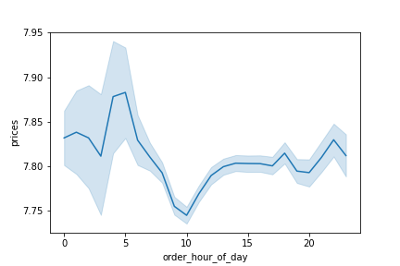

 |  | This line graph shows the price of products that are purchased throughout the day. The most expensive products tend to by purchased around 5am.

 | Recommendations: People purchase the most expensive products in the early hours of the day, therefore ads for more expensive products should be put out in the early morning.

Instacart has a lot of products with different price tags. Marketing and sales want to use simpler price range groupings to help direct their efforts.
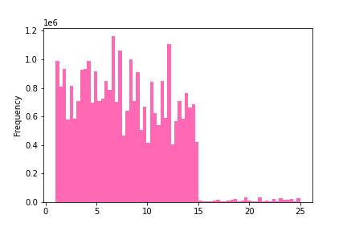
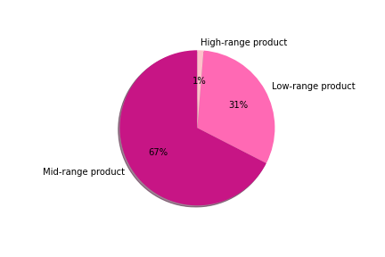

 | This histogram represents the frequency of the different product prices. The majority of products fall within the range of $1-15, with low frequencies of products costing more than $15 |  | To simplify price range groupings, product price ranges were sorted into low-range, mid-range, and high-range product categories. The above pie chart represents the proportion of each category. Low-price product: if prices <= 5 Mid-price product: if prices >5 & <=15 High-price product: if prices >15

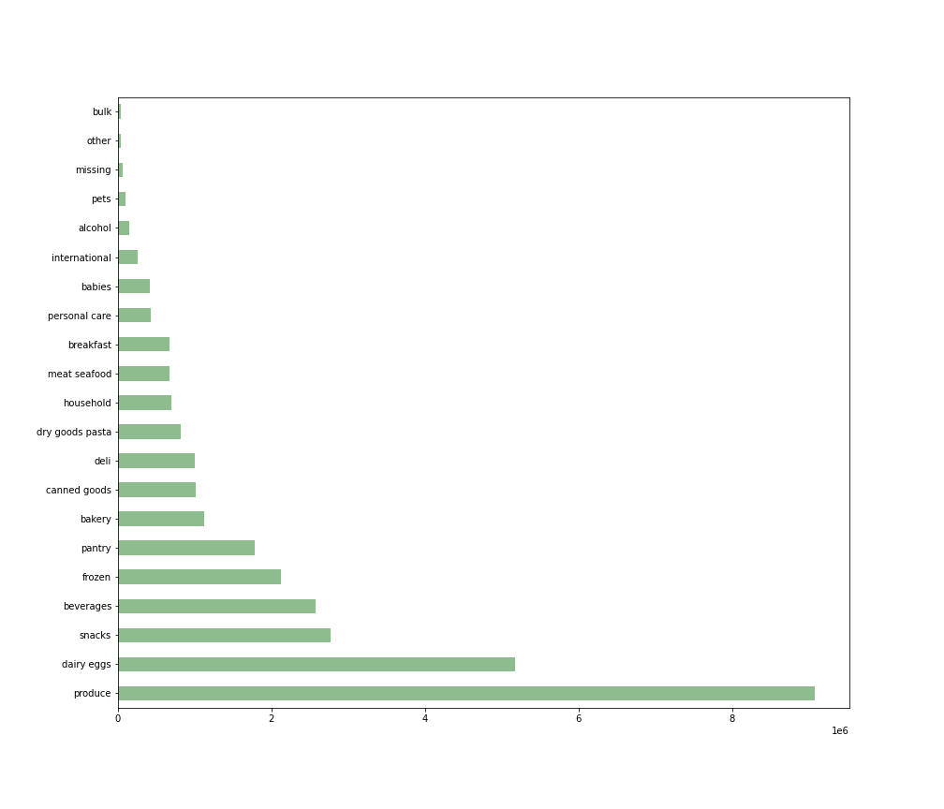
Q3. Are there certain types of products that are more popular than others? The marketing and sales teams want to know which departments have the highest frequency of product orders.

 |  |  |  |  | This bar graph represents the amount of products purchased in each department, in order of least to most popular. Very few purchases are made in the bulk departments, whereas the most purchases are make in produce, dairy/eggs, and snacks.

 | Recommendations: The marketing and sales team should focus on the bottom 5 departments that the least amount of products that are purchased, because departments like produce and dairy/eggs are staples in the household and customers will buy these without the sway of advertising. This would in turn increase profits greatly.

Q4. What’s the distribution among users in regards to their brand loyalty (i.e., how often do they return to Instacart)?
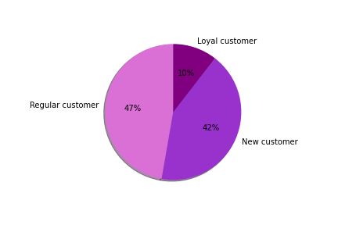

 |  | To simplify brand loyalty, groupings were organized by the maximum amount of orders each customer has made. They are sorted by new customers, regular customers, and loyal customer. New Customer: maximum orders <=10 Regular Customer: maximum orders >10 or <=40 Loyal Customer: maximum orders >40

 | Recommendation: A slight majority of customers regularly return to Instacart for their online grocery purchases, but there is not a very strong proportion of loyal customers. There must be an increase in loyal customers, to ensure that they will keep coming back and making repeated orders, therefore additional coupons and savings offers can be included into their ads. To bring in more new customers, we can provide a free 7-day trial if they are first time users, and continue to run ads to encourage their return.

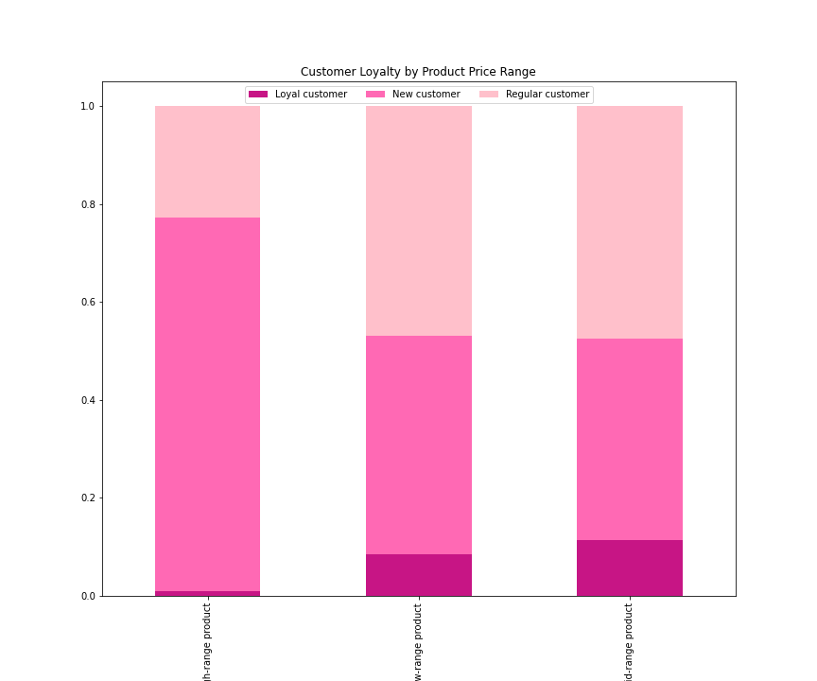
Q5. Are there differences in order habits based on a customer's loyalty status?

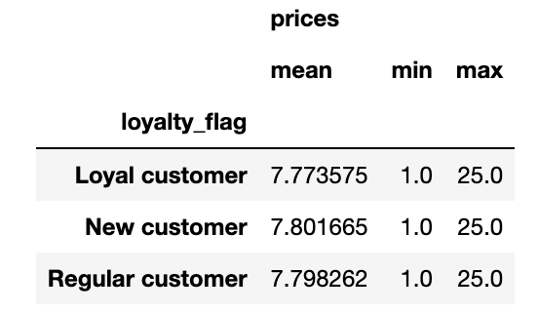

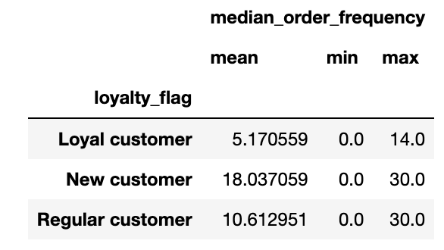

 |  |  |  | The above tables show the prices and median order frequency based on customer loyalty, these tables include the average, minimum and maximum of each value. Loyal customers have the fewest days in between each order, whereas new customers have the largest gap between orders. Overall, each type of customer spends relatively the same amount of money while shopping. The bar chart represents the spending habits of customers based on their brand loyalty. New customers represent the largest portion of high-range product purchases, followed by regular customers. Overall, loyal customers make up the smallest portion of all price ranges.

High-range product
Low-range product
Mid-range product

 | Recommendations: We must find a way to encourage loyal customers to purchase high-range profits to increase company profits, as they are the customers who will continuously come back to make purchases. Additionally, ads should be run for new and regular customers to encourage them to become loyal customers of Instacart.

Q6. Are there differences in order habits based on a customer's region?

 | Above is the count of states within each region, with the south containing the most amount of states. Addiionally, to the right we can see the number of unique users within each state, with the south having the most amount of users.

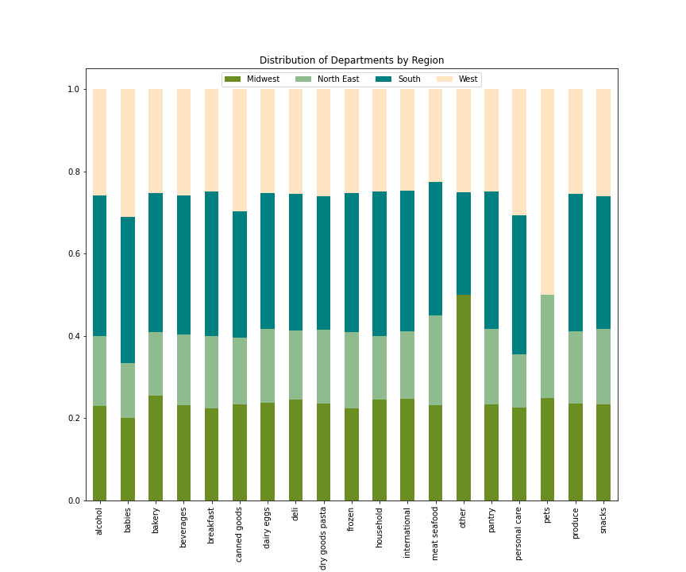
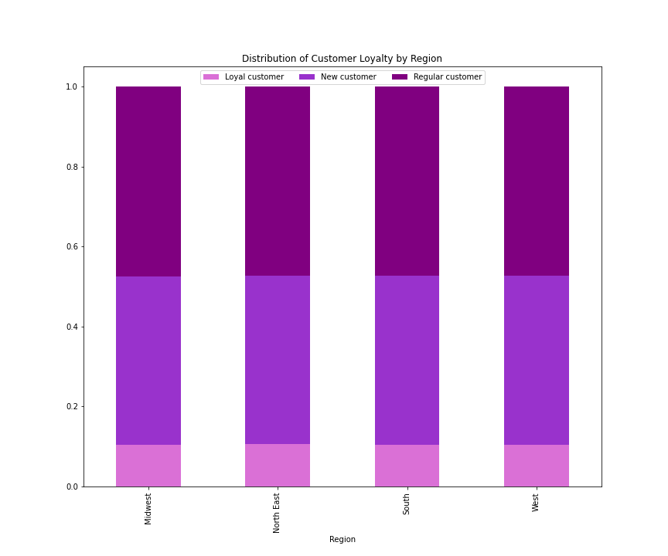
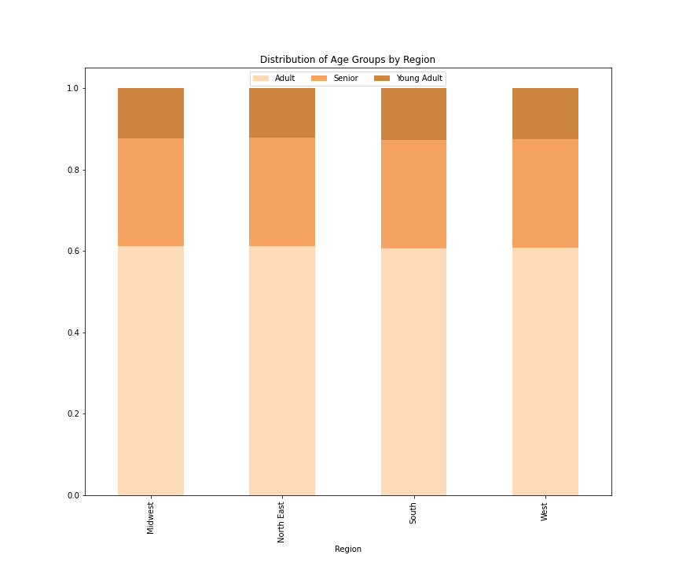

 |  |  |  |  |  |  |  |  |  | To simplify the age of customers, groupings were organized into young adult, adult and seniors Young Adults: age <=25 Adult: age >25 and <=65 Senior: age >65

 | Most department types are normalized throughout each region with exception to pet in the West and 'other' in the Midwest. More ads should be run in the West that are pet related to encourage more customers who don't want to go to the store to buy their heavy pet food. |  |  | The stacked bar chart represents distribution of customer loyalty in each region. There is no difference in distribution of customer loyalty throughout the regions |  |  |  | The stacked bar chart represents the distribution of age groups in each region. There is no difference in distribution of age groups throughout the regions.

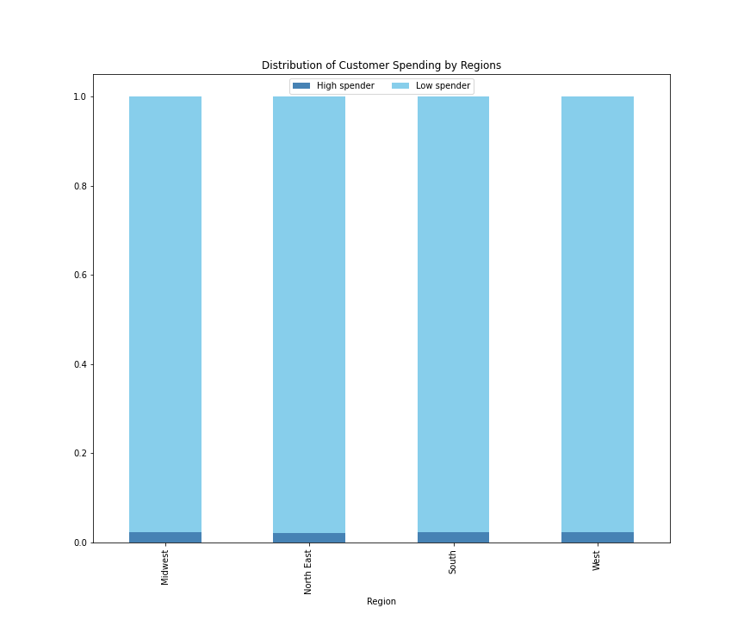
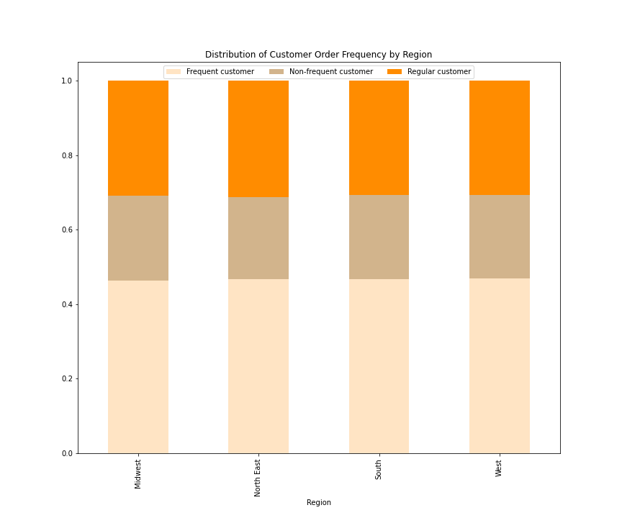
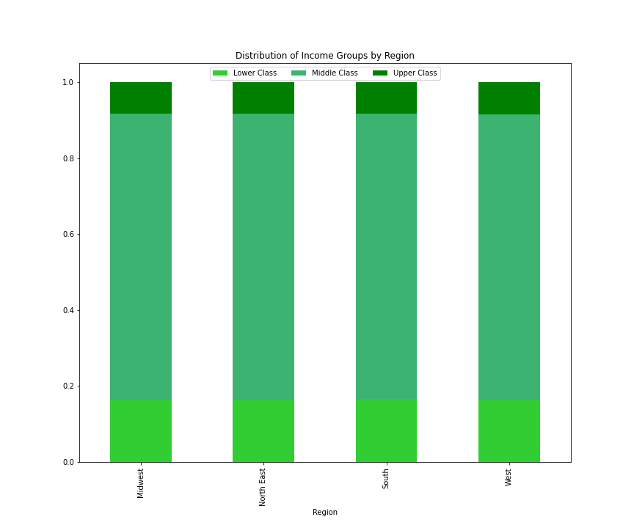

 | The stacked bar chart represents the distribution of customer spending in each region. There is no difference in distribution of customer spending throughout the regions. |  |  | The stacked bar chart represents the distribution of customer order frequency in each region. There is no difference in distribution of customer order frequency throughout the regions. |  |  |  | The stacked bar chart represents the distribution of income groups in each region. There is no difference in distribution of income groups throughout each region.

 | To simplify customer spending, they were grouped by the average price that they paid for each order. Low Spender: average price <10 High Spender: average price>=10 |  |  | To simplify customer order frequency, groupings were organized by their median order frequency, and organized into frequent, regular, and non-frequent groups. Frequent: median order frequency <=10 days Regular: median order frequency >10 and <=20 days Non-Frequent: median order frequency >20 days |  |  |  | To simplify economic groups, groupings were organized by their income, and organized into lower, medium and upper classes. Lower class: income <=52000 Middle class: income >52000 and <=156000 Uooer class: income >156000

 | Recommendations: Although there is no difference in distribution between the different regions, it can e seen that not many young adults are using Instacart even though they are most inclined to use a convenient food delivery service. This may be based on the fact that they make the least of their fellow age groups, so in order to encourage there usership we can offer student discounts in our ads. Additionally we should aim to target customers who have higher incomes, as they would increase the purchases of higher priced products.

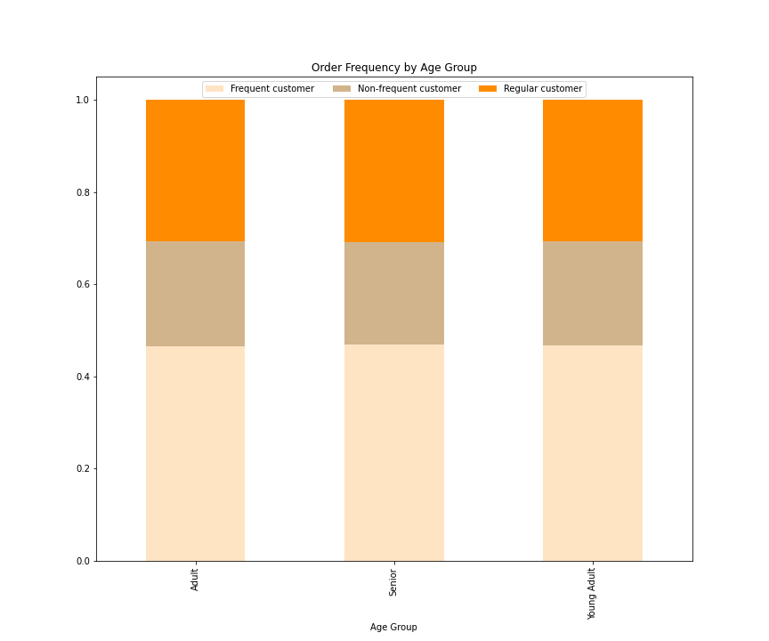
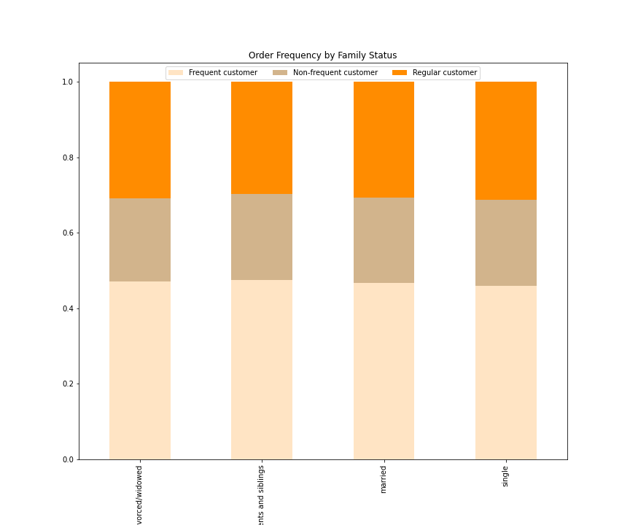
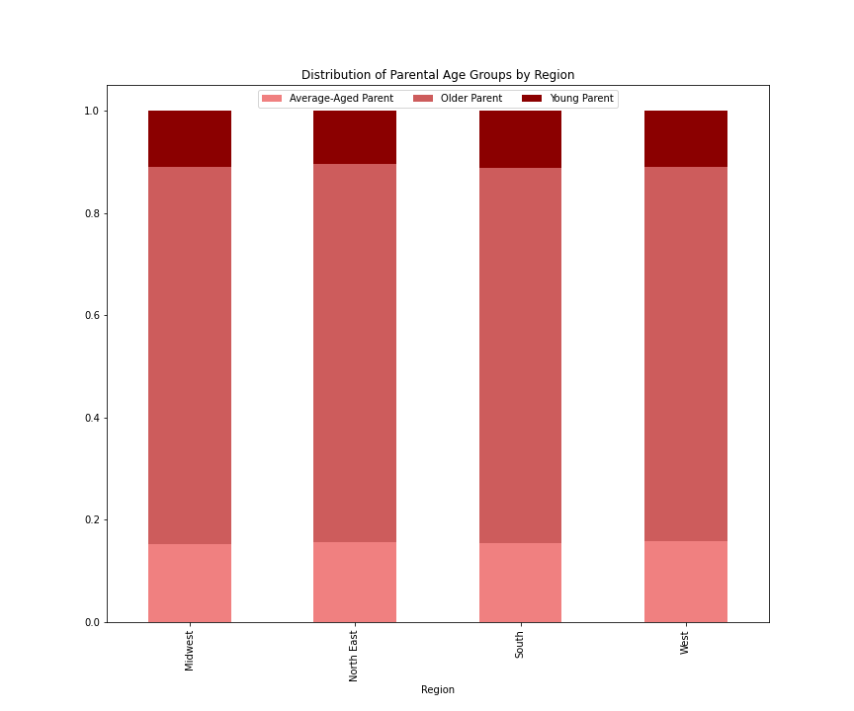
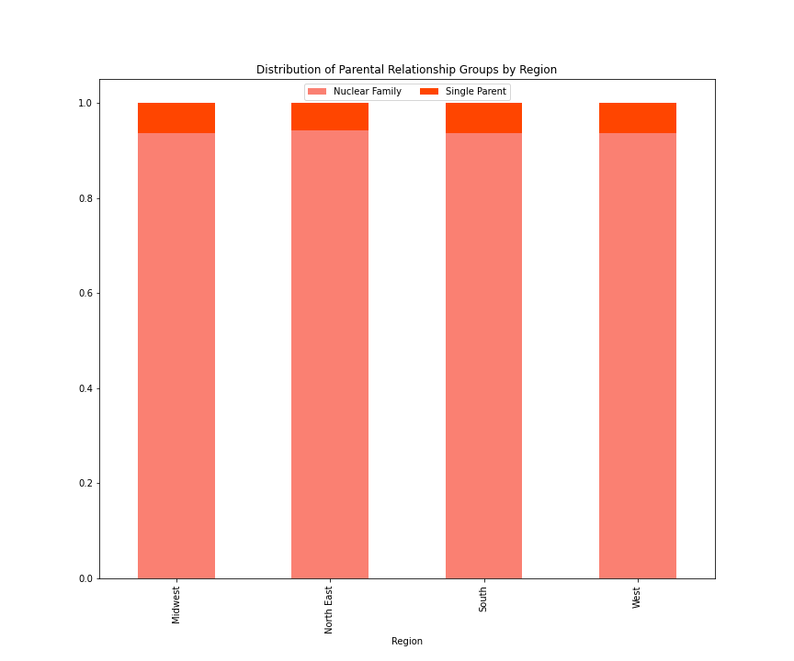
Q7. Is there a connection between age and family status in terms of ordering habits?

 | The above stacked bar chart represents the order frequency of different age groups. The graph shows that each age group has similar distributions of order frequencies, with about half of customers wtihin each age group being considered frequent and about 25% being non-frequent. |  |  | The above stacked bar chart represents the order frequency of each type of family structure, and as with age groups, they have a similar distribution of order frequencies with about half being frequent customers, and 25% being non-frequent customers. |  |  |  | The above stacked bar chart represents the distribution of different aged parents throughout the different regions. The distribution of different parental ages in similar for each region, with older-parents, or parents older than 35, make up about 75% of customers in each region, and the other 25% is split between younger (<=25) and average-aged parents (>25 and <=35). |  |  | The above stacked bar chart represents the distribution of customers of different parental relationships throughout each region. Once again, the distribution of each group is equal between regions, with a near 95% of customers who are parents are in a relationship, or a nuclear family, and ~5% being single parents.

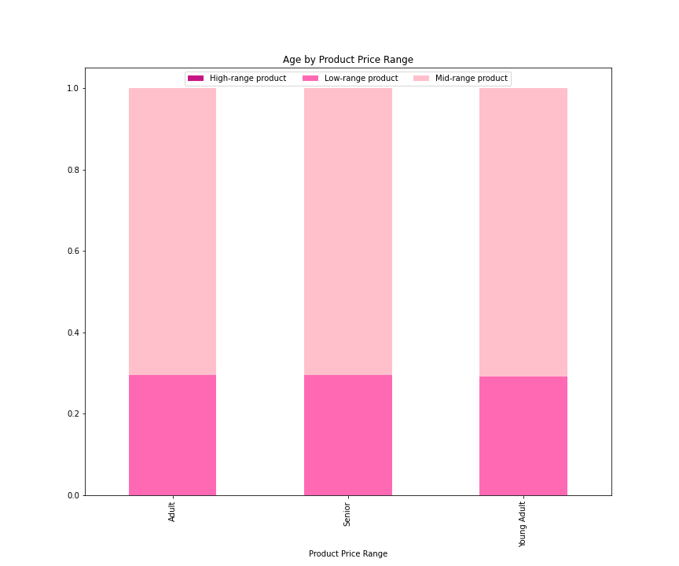
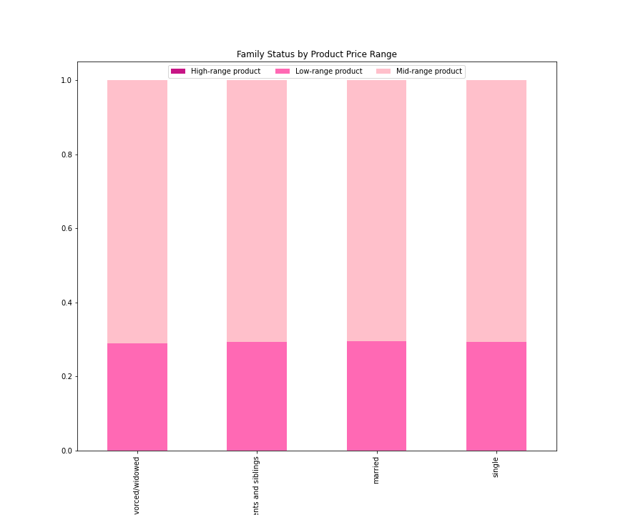
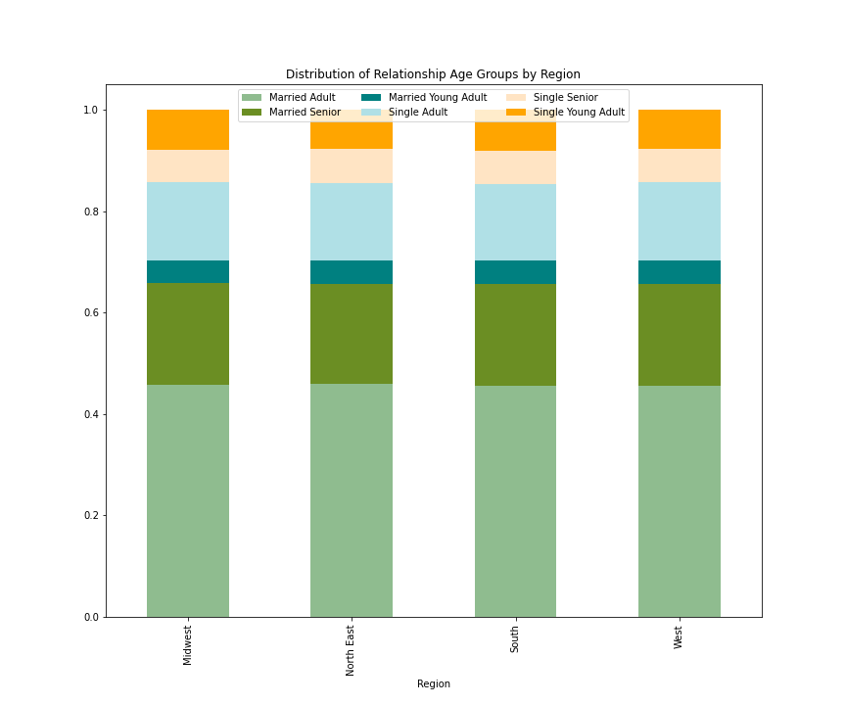

 | The above stacked bar chart represents the product price range of each age group, and shows that they are all distributed equally among the groups, with a higher proportion of mid-ranged products purchased, and no high-range products purtchased among any age group. |  |  | Above is a stacked bar chart representing the product price ranges purchased by customrs of different family statuses. As with age groups, the price ranges are equally distributed amongst the groups, with a 75% proportion of mid-ranged products purchased, and no high-ranged products purchased. |  |  |  | The above stacked bar chart represents the distribution of different age groups' relationship statuses. There is an equal distribution throughout all regions. Nearly half of all customers are married adults, whereas single seniors and married young adults make up the smallest portion of customers

 | Recommendations: To increase the number of Instacart customers, ads can be run to target our younger users, including young parents and married young adults. We can create ads to show how more frequent usage can simplify their busy, fast moving lifestyles. The younger audience and young parents may be more succeptible to our ads and repeated usage because theiy tend to use technology to create a more efficient lifestyle.

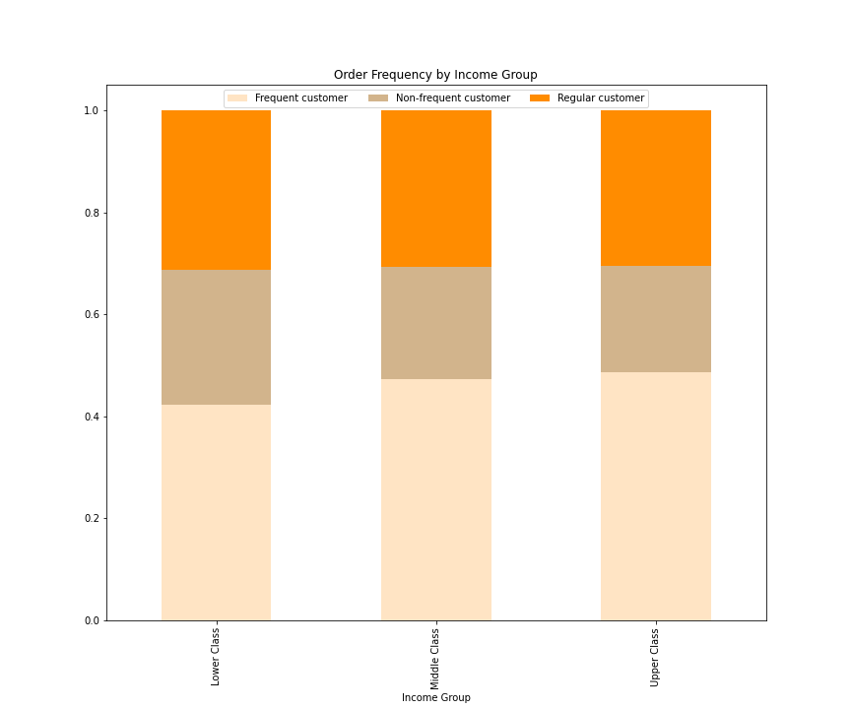
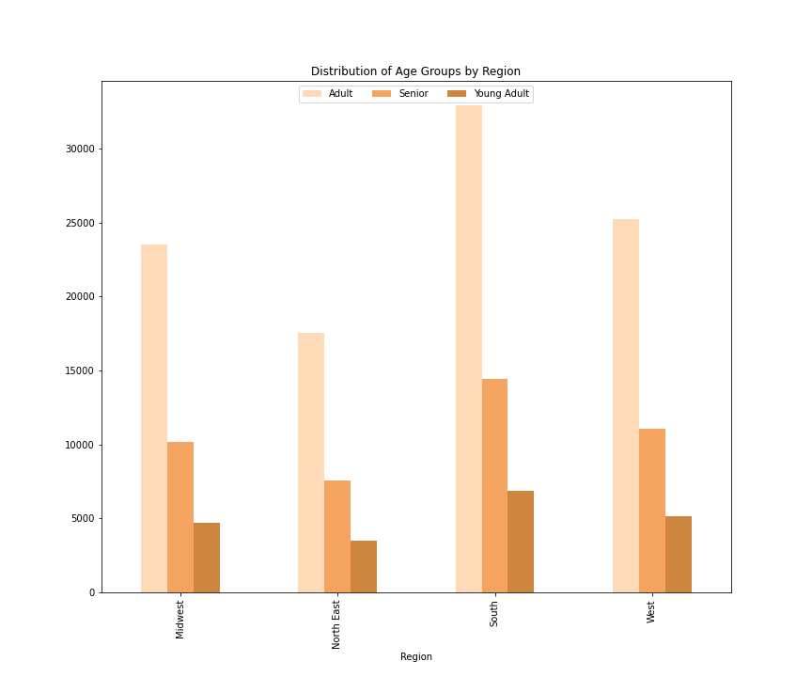
Q8. What different classifications does the demographic information suggest?

 | The bove stacked bar chart shows the order frequencies of each income group. Middle and upper class customers have a similar distribution of frequencies with most customers ordering frequently, whereas lower class customers have a slightly different distribution. Lower class customers as shown to have more non-frequent ordering frequencies than the other income groups |  |  | The above bar chart shows the age distribution of their customers througout the different regions. The south is shown to have the most of all 3 age groups, which correlated with the fact that there are more states and more active customers in the southern states. Otherwise, the distribution of age groups is relatively equal between all four regions, in relation to population size.

 | Recommendations: As said previously, we should run more ads to target our younger users to encourage their frequent usage of the app. Making the app more user friendly may also encourage our older audiences to use our app more frequently as well, as they may be moving into a time in their life where they are not wanting to go into the grocery store anymore, but are not technology savvy.

Q9. What differences can you find in the ordering habits of different customer profiles? Consider the price of orders, the frequency of orders, the producs customers are ordering, and anything else you can think of.

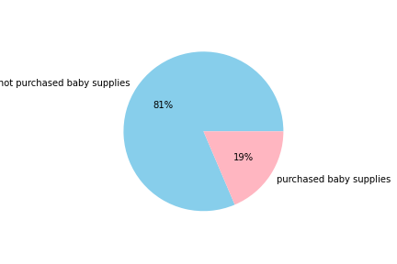
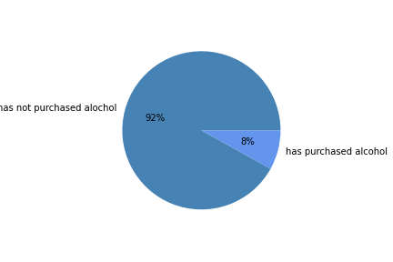
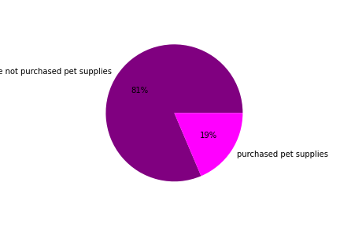
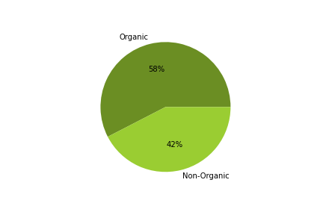

 | The pie chart show the percentage of customers who have purchased baby supplies, which inplies that they have young children. 19% of customers buy baby supplies |  | The pie chart shows the percentage of customers that have purchased alcohol. 8% of customers have bought alchohol. |  |  |  | The pie chart show the percentage of customers that have purchased pet supplies, inferring that they have a pet. 19% of customers have bought pet supplies. |  | The pie chart shows the percentage of purchases of organic products, implying that the customer is health conscious. 52% of purchases include organic products.

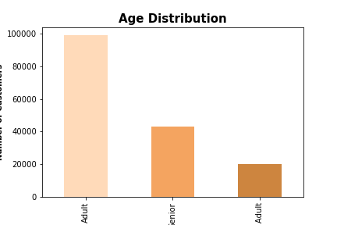
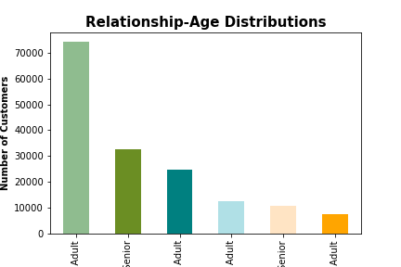
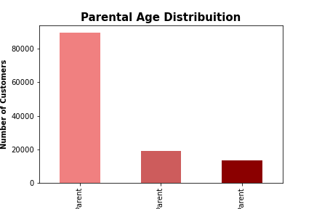

Young Adult
Married Adult
Married Senior
Single Adult
Single Young-Adult
Single Senior
Married Young Adult
Older Parent
Average-Aged Parent
Young Parent

 | This bar chart shows the distribution of age groups of all customers. Adults make up the largest population of customers, and young adults make up the smallest portion of customers. |  | This bar chart shows the distribution of different age groups who are in a relationship or single. Married customers make up the largest group of customers, with married young adults and single seniors making up the smallest portion of the customer population. |  |  |  | This bar chart show the distribution of different parental age groups. Most parents who use Instacart are considered older parents, or over the age of 35. This may be in part due to the fact that people are waiting to have children until they are older and more financially stable.

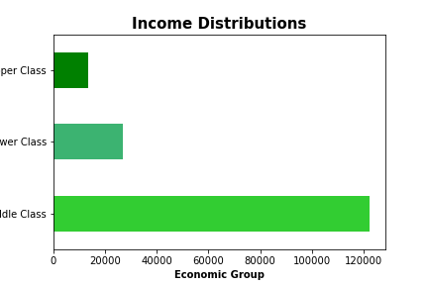
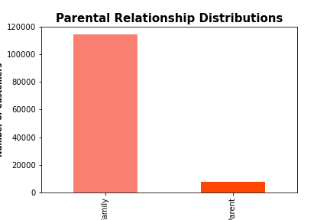
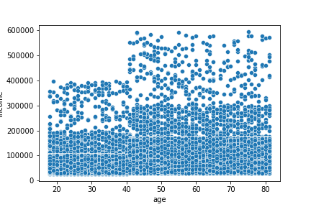

Nuclear Family
Single Parent

 | This bar chart shows the distribution of economic groups amongst out customers. Middle class customers make up a majority of Instacart users, followed by lower and upper economic groups. |  | This bar chart shows the distribution of parental relationships, which indicates that a majority of parent customers are in a relationship. |  |  |  | This scatterplot represents the spending power of customers in relation to their age. It shows that most users regardless of their age make around $20,000. Under the age of 40, the maximum income of our users is 400,000, but as they exceed 40 their maximum income goes up to 800,000.

 | Recommendations: After examining all f the above charts, we should focus on running ads for 3 main groups: young adults, young parents, and people in the upper economic class. As said previously, you adults and parents may be struggling to be able to afford using Instacart, so we can create a discount program for students or people with dependents. Additionally we can run more ads targeting people in upper classes because they have the money to afford higher-priced products and can increase the complanies revenue. They already have the means, we just need to create an easy environment so that our customers come back to us, as opposed to our competitors.

